Prob Sched
Probability of Recovery - Schedule

AT | ES | SPI(t)C | SPI(t)P | ln SPI(t)C | ln SPI(t)P | S lnp^2 | S -2p*c | i * lnc^2 | Variation | s | sM | AFS | sM * AFS | NumT | DenomT | SPI(t)T | ln SPI(t)T | t-Score | PRcv | Current PRcv | Count PRcv | PD | TD | TD/PD | TSPI | >1.10 | Yes # | P-Cond
1 | 0.00 |  |  |  |  |  |  |  |  |  |  |  |  |  |  |  |  |  |  |  | 0 | 0 | 0
2 | 0.00 |  |  |  |  |  |  |  |  |  |  |  |  |  |  |  |  |  | #N/A
3 | 0.00 |  |  |  |  |  |  |  |  |  |  |  |  |  |  |  |  |  | #N/A
PRcv - Schedule
 | PRcv
 | #N/A
 | #N/A
 | #N/A
 | #N/A
 | #N/A
 | #N/A
 | #N/A
 | #N/A
 | #N/A
 | #N/A
 | #N/A
 | #N/A
 | #N/A
 | #N/A
 | #N/A
 | #N/A
 | #N/A
 | #N/A
 | #N/A
 | #N/A
 | #N/A
 | #N/A
 | #N/A
 | #N/A
 | #N/A
4 | 0.00 |  |  |  |  |  |  |  |  |  |  |  |  |  |  |  |  |  | #N/A
5 | 0.00 |  |  |  |  |  |  |  |  |  |  |  |  |  |  |  |  |  | #N/A
6 | 0.00 |  |  |  |  |  |  |  |  |  |  |  |  |  |  |  |  |  | #N/A
7 | 0.00 |  |  |  |  |  |  |  |  |  |  |  |  |  |  |  |  |  | #N/A
8 | 0.00 |  |  |  |  |  |  |  |  |  |  |  |  |  |  |  |  |  | #N/A
9 | 0.00 |  |  |  |  |  |  |  |  |  |  |  |  |  |  |  |  |  | #N/A
10 | 0.00 |  |  |  |  |  |  |  |  |  |  |  |  |  |  |  |  |  | #N/A
11 | 0.00 |  |  |  |  |  |  |  |  |  |  |  |  |  |  |  |  |  | #N/A
12 | 0.00 |  |  |  |  |  |  |  |  |  |  |  |  |  |  |  |  |  | #N/A
13 | 0.00 |  |  |  |  |  |  |  |  |  |  |  |  |  |  |  |  |  | #N/A
14 | 0.00 |  |  |  |  |  |  |  |  |  |  |  |  |  |  |  |  |  | #N/A
15 | 0.00 |  |  |  |  |  |  |  |  |  |  |  |  |  |  |  |  |  | #N/A
16 | 0.00 |  |  |  |  |  |  |  |  |  |  |  |  |  |  |  |  |  | #N/A
17 | 0.00 |  |  |  |  |  |  |  |  |  |  |  |  |  |  |  |  |  | #N/A
18 | 0.00 |  |  |  |  |  |  |  |  |  |  |  |  |  |  |  |  |  | #N/A
19 | 0.00 |  |  |  |  |  |  |  |  |  |  |  |  |  |  |  |  |  | #N/A
20 | 0.00 |  |  |  |  |  |  |  |  |  |  |  |  |  |  |  |  |  | #N/A | TSPI > 1.10 | Period | ES%
21 | 0.00 |  |  |  |  |  |  |  |  |  |  |  |  |  |  |  |  |  | #N/A
22 | 0.00 |  |  |  |  |  |  |  |  |  |  |  |  |  |  |  |  |  | #N/A | ES%cur | ES%T | Window | #Entries
23 | 0.00 |  |  |  |  |  |  |  |  |  |  |  |  |  |  |  |  |  | #N/A |  |  |  | 0
24 | 0.00 |  |  |  |  |  |  |  |  |  |  |  |  |  |  |  |  |  | #N/A |  | #VALUE!
25 | 0.00 |  |  |  |  |  |  |  |  |  |  |  |  |  |  |  |  |  | #N/A
26 | 0.00 |  |  |  |  |  |  |  |  |  |  |  |  |  |  |  |  |  | #N/A
27 | 0.00 |  |  |  |  |  |  |  |  |  |  |  |  |  |  |  |  |  | #N/A | Unstable Period (0.0 - 0.2) |  | 0.15
28 | 0.00 |  |  |  |  |  |  |  |  |  |  |  |  |  |  |  |  |  | #N/A
29 | 0.00 |  |  |  |  |  |  |  |  |  |  |  |  |  |  |  |  |  | #N/A
30 | 0.00 |  |  |  |  |  |  |  |  |  |  |  |  |  |  |  |  |  | #N/A
31 | 0.00 |  |  |  |  |  |  |  |  |  |  |  |  |  |  |  |  |  | #N/A
32 | 0.00 |  |  |  |  |  |  |  |  |  |  |  |  |  |  |  |  |  | #N/A
33 | 0.00 |  |  |  |  |  |  |  |  |  |  |  |  |  |  |  |  |  | #N/A
34 | 0.00 |  |  |  |  |  |  |  |  |  |  |  |  |  |  |  |  |  | #N/A
35 | 0.00 |  |  |  |  |  |  |  |  |  |  |  |  |  |  |  |  |  | #N/A
36 | 0.00 |  |  |  |  |  |  |  |  |  |  |  |  |  |  |  |  |  | #N/A
37 | 0.00 |  |  |  |  |  |  |  |  |  |  |  |  |  |  |  |  |  | #N/A
38 | 0.00 |  |  |  |  |  |  |  |  |  |  |  |  |  |  |  |  |  | #N/A
39 | 0.00 |  |  |  |  |  |  |  |  |  |  |  |  |  |  |  |  |  | #N/A
40 | 0.00 |  |  |  |  |  |  |  |  |  |  |  |  |  |  |  |  |  | #N/A
41 | 0.00 |  |  |  |  |  |  |  |  |  |  |  |  |  |  |  |  |  | #N/A
42 | 0.00 |  |  |  |  |  |  |  |  |  |  |  |  |  |  |  |  |  | #N/A
43 | 0.00 |  |  |  |  |  |  |  |  |  |  |  |  |  |  |  |  |  | #N/A
44 | 0.00 |  |  |  |  |  |  |  |  |  |  |  |  |  |  |  |  |  | #N/A
45 | 0.00 |  |  |  |  |  |  |  |  |  |  |  |  |  |  |  |  |  | #N/A
46 | 0.00 |  |  |  |  |  |  |  |  |  |  |  |  |  |  |  |  |  | #N/A
47 | 0.00 |  |  |  |  |  |  |  |  |  |  |  |  |  |  |  |  |  | #N/A
48 | 0.00 |  |  |  |  |  |  |  |  |  |  |  |  |  |  |  |  |  | #N/A
49 | 0.00 |  |  |  |  |  |  |  |  |  |  |  |  |  |  |  |  |  | #N/A
50 | 0.00 |  |  |  |  |  |  |  |  |  |  |  |  |  |  |  |  |  | #N/A

Prob Cost
 | Probability of Recovery - Cost

AT | EV | AC | CPI(t)C | CPI(t)P | ln CPI(t)C | ln CPI(t)P | S lnp^2 | S -2p*c | i * lnc^2 | Variation | s | sM | AFS | sM * AFC | NumT | DenomT | CPI(t)T | ln CPI(t)T | t-Score | PRcv | Current PRcv | Count PRcv | BAC | TAB | TAB/BAC | TCPI | >1.10 | Yes # | P-Cond
1 | $0 | $0 |  |  |  |  |  |  |  |  |  |  |  |  |  |  |  |  |  |  |  | 0 | $0 | $0
2 | $0 | $0 |  |  |  |  |  |  |  |  |  |  |  |  |  |  |  |  |  | #N/A
PRcv - Cost
 | PRcv
 | #N/A
 | #N/A
 | #N/A
 | #N/A
 | #N/A
 | #N/A
 | #N/A
 | #N/A
 | #N/A
 | #N/A
 | #N/A
 | #N/A
 | #N/A
 | #N/A
 | #N/A
 | #N/A
 | #N/A
 | #N/A
 | #N/A
 | #N/A
 | #N/A
 | #N/A
 | #N/A
 | #N/A
 | #N/A
3 | $0 | $0 |  |  |  |  |  |  |  |  |  |  |  |  |  |  |  |  |  | #N/A
4 | $0 | $0 |  |  |  |  |  |  |  |  |  |  |  |  |  |  |  |  |  | #N/A
5 | $0 | $0 |  |  |  |  |  |  |  |  |  |  |  |  |  |  |  |  |  | #N/A
6 | $0 | $0 |  |  |  |  |  |  |  |  |  |  |  |  |  |  |  |  |  | #N/A
7 | $0 | $0 |  |  |  |  |  |  |  |  |  |  |  |  |  |  |  |  |  | #N/A
8 | $0 | $0 |  |  |  |  |  |  |  |  |  |  |  |  |  |  |  |  |  | #N/A
9 | $0 | $0 |  |  |  |  |  |  |  |  |  |  |  |  |  |  |  |  |  | #N/A
10 | $0 | $0 |  |  |  |  |  |  |  |  |  |  |  |  |  |  |  |  |  | #N/A
11 | $0 | $0 |  |  |  |  |  |  |  |  |  |  |  |  |  |  |  |  |  | #N/A
12 | $0 | $0 |  |  |  |  |  |  |  |  |  |  |  |  |  |  |  |  |  | #N/A
13 | $0 | $0 |  |  |  |  |  |  |  |  |  |  |  |  |  |  |  |  |  | #N/A
14 | $0 | $0 |  |  |  |  |  |  |  |  |  |  |  |  |  |  |  |  |  | #N/A
15 | $0 | $0 |  |  |  |  |  |  |  |  |  |  |  |  |  |  |  |  |  | #N/A
16 | $0 | $0 |  |  |  |  |  |  |  |  |  |  |  |  |  |  |  |  |  | #N/A
17 | $0 | $0 |  |  |  |  |  |  |  |  |  |  |  |  |  |  |  |  |  | #N/A
18 | $0 | $0 |  |  |  |  |  |  |  |  |  |  |  |  |  |  |  |  |  | #N/A
19 | $0 | $0 |  |  |  |  |  |  |  |  |  |  |  |  |  |  |  |  |  | #N/A
20 | $0 | $0 |  |  |  |  |  |  |  |  |  |  |  |  |  |  |  |  |  | #N/A | TCPI > 1.10 | Period | EV%
21 | $0 | $0 |  |  |  |  |  |  |  |  |  |  |  |  |  |  |  |  |  | #N/A
22 | $0 | $0 |  |  |  |  |  |  |  |  |  |  |  |  |  |  |  |  |  | #N/A | EV%cur | EV%T | Window | #Entries
23 | $0 | $0 |  |  |  |  |  |  |  |  |  |  |  |  |  |  |  |  |  | #N/A |  |  |  | 0
24 | $0 | $0 |  |  |  |  |  |  |  |  |  |  |  |  |  |  |  |  |  | #N/A |  | #VALUE!
25 | $0 | $0 |  |  |  |  |  |  |  |  |  |  |  |  |  |  |  |  |  | #N/A
26 | $0 | $0 |  |  |  |  |  |  |  |  |  |  |  |  |  |  |  |  |  | #N/A
27 | $0 | $0 |  |  |  |  |  |  |  |  |  |  |  |  |  |  |  |  |  | #N/A | Unstable Period (0.0 - 0.2) |  | 0.15
28 | $0 | $0 |  |  |  |  |  |  |  |  |  |  |  |  |  |  |  |  |  | #N/A
29 | $0 | $0 |  |  |  |  |  |  |  |  |  |  |  |  |  |  |  |  |  | #N/A
30 | $0 | $0 |  |  |  |  |  |  |  |  |  |  |  |  |  |  |  |  |  | #N/A
31 | $0 | $0 |  |  |  |  |  |  |  |  |  |  |  |  |  |  |  |  |  | #N/A
32 | $0 | $0 |  |  |  |  |  |  |  |  |  |  |  |  |  |  |  |  |  | #N/A
33 | $0 | $0 |  |  |  |  |  |  |  |  |  |  |  |  |  |  |  |  |  | #N/A
34 | $0 | $0 |  |  |  |  |  |  |  |  |  |  |  |  |  |  |  |  |  | #N/A
35 | $0 | $0 |  |  |  |  |  |  |  |  |  |  |  |  |  |  |  |  |  | #N/A
36 | $0 | $0 |  |  |  |  |  |  |  |  |  |  |  |  |  |  |  |  |  | #N/A
37 | $0 | $0 |  |  |  |  |  |  |  |  |  |  |  |  |  |  |  |  |  | #N/A
38 | $0 | $0 |  |  |  |  |  |  |  |  |  |  |  |  |  |  |  |  |  | #N/A
39 | $0 | $0 |  |  |  |  |  |  |  |  |  |  |  |  |  |  |  |  |  | #N/A
40 | $0 | $0 |  |  |  |  |  |  |  |  |  |  |  |  |  |  |  |  |  | #N/A
41 | $0 | $0 |  |  |  |  |  |  |  |  |  |  |  |  |  |  |  |  |  | #N/A
42 | $0 | $0 |  |  |  |  |  |  |  |  |  |  |  |  |  |  |  |  |  | #N/A
43 | $0 | $0 |  |  |  |  |  |  |  |  |  |  |  |  |  |  |  |  |  | #N/A
44 | $0 | $0 |  |  |  |  |  |  |  |  |  |  |  |  |  |  |  |  |  | #N/A
45 | $0 | $0 |  |  |  |  |  |  |  |  |  |  |  |  |  |  |  |  |  | #N/A
46 | $0 | $0 |  |  |  |  |  |  |  |  |  |  |  |  |  |  |  |  |  | #N/A
47 | $0 | $0 |  |  |  |  |  |  |  |  |  |  |  |  |  |  |  |  |  | #N/A
48 | $0 | $0 |  |  |  |  |  |  |  |  |  |  |  |  |  |  |  |  |  | #N/A
49 | $0 | $0 |  |  |  |  |  |  |  |  |  |  |  |  |  |  |  |  |  | #N/A
50 | $0 | $0 |  |  |  |  |  |  |  |  |  |  |  |  |  |  |  |  |  | #N/A

 | From Input Data Sheet
 | BAC
 | TAB
 | TAB/BAC

Example Data
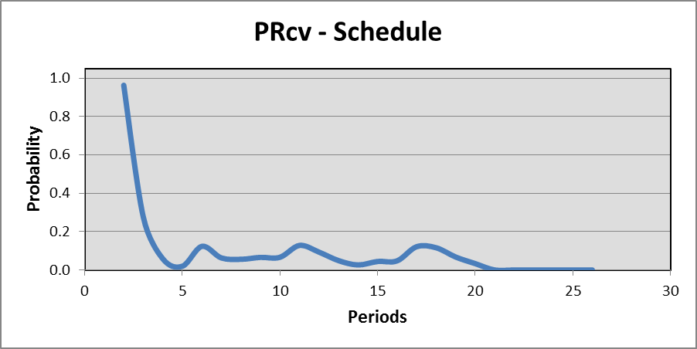
 | EVM & ES Data Input
AT | EV | AC | ES | BAC | TAB | PD | TD
1 | $928 | $1,606 | 0.3 | $38,140 | $38,140 | 21 | 21
2 | $1,904 | $2,766 | 0.6
3 | $2,467 | $4,324 | 0.8
4 | $3,414 | $6,138 | 1.2 |  | Note: The graphs and probability of recovery
5 | $4,472 | $7,888 | 1.6 |  | are computed having no reserves for cost or
6 | $7,152 | $9,835 | 2.7 |  | or schedule. A suggestion to increase
7 | $7,476 | $10,135 | 2.8 |  | familiarity with the calculator is to increase
8 | $9,272 | $13,217 | 3.6 |  | TAB and TD, i.e. adding in reserves. The
9 | $11,441 | $14,755 | 4.7 |  | effect of increasing reserves can be
10 | $13,302 | $16,656 | 5.6 |  | observed. As well, reduce the number of
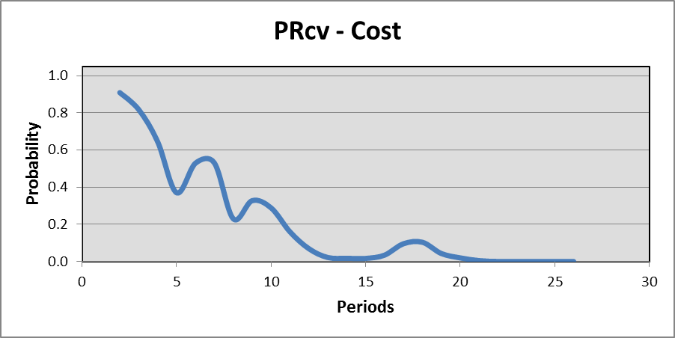
11 | $14,699 | $18,768 | 7.3 |  | data input for EV, AC, and ES. The values
12 | $15,985 | $20,897 | 8.0 |  | produced for Probability of Recovery are for
13 | $16,753 | $23,364 | 8.4 |  | an intermediate status point.
14 | $17,077 | $23,664 | 8.6
15 | $20,318 | $26,651 | 10.2
16 | $23,061 | $28,437 | 11.4
17 | $26,588 | $30,408 | 13.8
18 | $28,681 | $32,012 | 15.0
19 | $30,135 | $34,000 | 15.6
20 | $31,487 | $35,554 | 16.2
21 | $32,526 | $37,111 | 16.7
22 | $33,504 | $38,468 | 17.2
23 | $34,513 | $39,798 | 17.8
24 | $36,489 | $41,155 | 18.9
25 | $37,630 | $42,600 | 19.7
26 | $38,140 | $43,983 | 21.0 |  |  |  |  | Probability of Recovery

 |  |  |  |  |  |  |  | Probability-Schedule |  | Probability-Cost

 |  |  |  |  |  |  |  |  | 0.00% |  | 0.00%

